Formulas
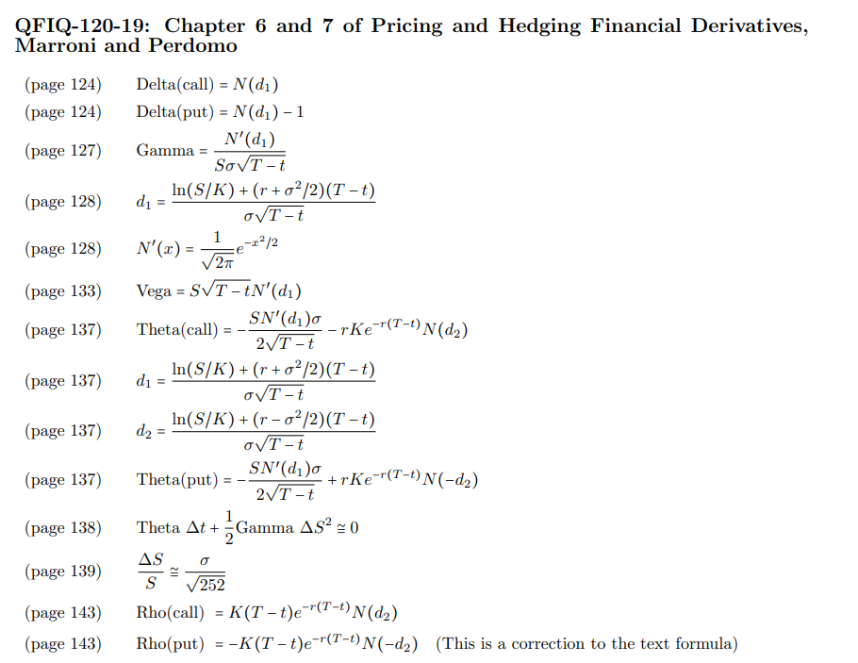

CBT Q8a Sol
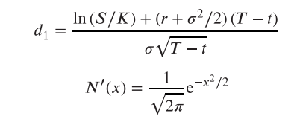
Gamma as a function of stock price for two different volatilities
 | 1 | 1
Stock (S) | 100
Strike (K) | 100
Interest Rate (r ) | 0.03
Dividend (d) | 0.0
Maturity (T) | 0.5
Implied Vol_1 | 0.1
Implied Vol_2 | 0.2

 | Stock | Gamma (vol=10%) | Gamma (vol=20%) | d1 (vol=10%) | N'(d1) (vol=10%) | d1 (vol=20%) | N'(d1) vol=20%
 | 95 | 0.053 | 0.029 | -0.4779 | 0.3559 | -0.1859 | 0.3921
 | 96 | 0.056 | 0.029 | -0.3298 | 0.3778 | -0.1119 | 0.3965
 | 97 | 0.057 | 0.029 | -0.1833 | 0.3923 | -0.0386 | 0.3986
 | 98 | 0.058 | 0.029 | -0.0382 | 0.3987 | 0.0339 | 0.3987
 | 99 | 0.057 | 0.028 | 0.1054 | 0.3967 | 0.1057 | 0.3967
 | 100 | 0.055 | 0.028 | 0.2475 | 0.3869 | 0.1768 | 0.3928
 | 101 | 0.052 | 0.027 | 0.3882 | 0.3700 | 0.2471 | 0.3869
 | 102 | 0.048 | 0.026 | 0.5275 | 0.3471 | 0.3168 | 0.3794
 | 103 | 0.044 | 0.025 | 0.6655 | 0.3197 | 0.3858 | 0.3703
 | 104 | 0.039 | 0.024 | 0.8022 | 0.2892 | 0.4541 | 0.3599
 | 105 | 0.035 | 0.023 | 0.9375 | 0.2571 | 0.5218 | 0.3482

CBT Q8d Sol
Vega as a function of stock price for two time-to-maturities
 | Vega (T1=0.5) | Vega (T2=1.0)
100 | 19.79 | 38.67
105 | 17.36 | 37.08
110 | 12.27 | 33.70
115 | 7.20 | 29.25
120 | 3.59 | 24.38
125 | 1.55 | 19.62
130 | 0.59 | 15.32
135 | 0.20 | 11.64
Stock (S) | 100
Strike (K) | 100
Interest Rate (r ) | 0.03
Dividend (d) | 0.0
Maturity (T1) | 0.25
Maturity (T2) | 1.0
Implied Vol | 0.2

 | Stock | Vega (T1=0.5) | Vega (T2=1.0) | d1 (T1=0.5) | N'(d1) (T1=0.5) | d1 (T2=1.0) | N'(d1) (T2=1.0)
 | 100 | 19.79 | 38.67 | 0.1250 | 0.3958 | 0.2500 | 0.3867
 | 105 | 17.36 | 37.08 | 0.6129 | 0.3306 | 0.4940 | 0.3531
 | 110 | 12.27 | 33.70 | 1.0781 | 0.2231 | 0.7266 | 0.3064
 | 115 | 7.20 | 29.25 | 1.5226 | 0.1252 | 0.9488 | 0.2543
 | 120 | 3.59 | 24.38 | 1.9482 | 0.0598 | 1.1616 | 0.2032
 | 125 | 1.55 | 19.62 | 2.3564 | 0.0248 | 1.3657 | 0.1570
 | 130 | 0.59 | 15.32 | 2.7486 | 0.0091 | 1.5618 | 0.1178
 | 135 | 0.20 | 11.64 | 3.1260 | 0.0030 | 1.7505 | 0.0862

CBT Q8f Sol
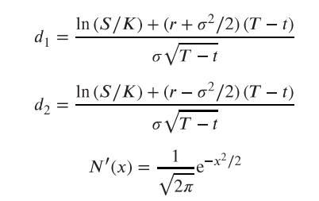
Stock (S) | 100
Strike (K) | 100
Interest Rate (r ) | 0.03
Dividend (d) | 0.0
Theta as a function of stock price for two volatilities
Maturity (T) | 1.0
Implied Vol1 | 20%
Implied Vol2 | 30%

 | Stock | Theta (vol=20%) | Theta (vol=30%) | d1 (vol=20%) | N'(d1) (vol=20%) | d2(vol=20%) | N(-d2) (vol=20%) | d1 (vol=30%) | N'(d1) (vol=30%) | d2(vol=30%) | N(-d2) (vol=30%)
 | 85 | -0.63 | -2.77 | -0.5626 | 0.3405 | -0.7626 | 0.7771 | -0.2917 | 0.3823 | -0.5917 | 0.7230
 | 90 | -1.47 | -3.45 | -0.2768 | 0.3839 | -0.4768 | 0.6832 | -0.1012 | 0.3969 | -0.4012 | 0.6559
 | 95 | -2.10 | -3.96 | -0.0065 | 0.3989 | -0.2065 | 0.5818 | 0.0790 | 0.3977 | -0.2210 | 0.5874
 | 100 | -2.47 | -4.29 | 0.2500 | 0.3867 | 0.0500 | 0.4801 | 0.2500 | 0.3867 | -0.0500 | 0.5199
 | 105 | -2.59 | -4.45 | 0.4940 | 0.3531 | 0.2940 | 0.3844 | 0.4126 | 0.3664 | 0.1126 | 0.4552
 | 110 | -2.50 | -4.45 | 0.7266 | 0.3064 | 0.5266 | 0.2993 | 0.5677 | 0.3396 | 0.2677 | 0.3945
 | 115 | -2.26 | -4.34 | 0.9488 | 0.2543 | 0.7488 | 0.2270 | 0.7159 | 0.3088 | 0.4159 | 0.3388
 | 120 | -1.95 | -4.13 | 1.1616 | 0.2032 | 0.9616 | 0.1681 | 0.8577 | 0.2762 | 0.5577 | 0.2885
 | 125 | -1.61 | -3.85 | 1.3657 | 0.1570 | 1.1657 | 0.1219 | 0.9938 | 0.2435 | 0.6938 | 0.2439
 | 130 | -1.28 | -3.54 | 1.5618 | 0.1178 | 1.3618 | 0.0866 | 1.1245 | 0.2120 | 0.8245 | 0.2048
 | 135 | -0.99 | -3.20 | 1.7505 | 0.0862 | 1.5505 | 0.0605 | 1.2503 | 0.1826 | 0.9503 | 0.1710
 | 140 | -0.74 | -2.86 | 1.9324 | 0.0617 | 1.7324 | 0.0416 | 1.3716 | 0.1557 | 1.0716 | 0.1420
 | 145 | -0.55 | -2.52 | 2.1078 | 0.0433 | 1.9078 | 0.0282 | 1.4885 | 0.1318 | 1.1885 | 0.1173

